Burndown README
The goal of the burndown chart is to help the agile team and customer to understand how the developers are doing
to deliver the product. Burndown charts can be done daily, weekly, at the end of a sprint, or at whatever time interval makes sense.
We'll update our burndown chart for the project at the end of each sprint.

At the end of each sprint, you should update the number of remaining stories, the LOC written to implement the user stories
implemented in this sprint, and the minutes needed to write those lines of code.

Velocity of completing user stories (calculated)
How long to implement the user stories in this sprint
Here's a sample burndown chart for a team of three:
= # team members * 4 sprints *
2 stories per sprint
Total
LOC
lines of code per hour is calcuated by Excel

Sprint | Date | Remaining Stories | Story Velocity | LOC | Min | Code Velocity
Start | 2022-06-06 | 24 |  | 0
Sprint 1 | 2022-06-19 | 18 | 6 | 250 | 120 | 125.0
Sprint 2 | 2022-07-03 | 12 | 6 | 480 | 135.0 | 102.2
Sprint 3 | 2022-07-17 | 6 | 6 | 740 | 160.0 | 97.5
Sprint 4 | 2022-07-31 | 0 | 6 | 1100 | 145.0 | 149.0

6/6/2022 | 24
6/19/2022 | 18
7/3/2022 | 12
7/17/2022 | 6
7/31/2022 | 0

When we expect to complete all user stories

Burndown
Date | Remaining Stories | Story Velocity | LOC | Min | Code Velocity
2022-02-23 | 30 |  | 0
2023-03-07 | 19 | 11 | 149 | 120 | 74.5
2023-03-28 | 12 | 7 | 807 | 740 | 53.4
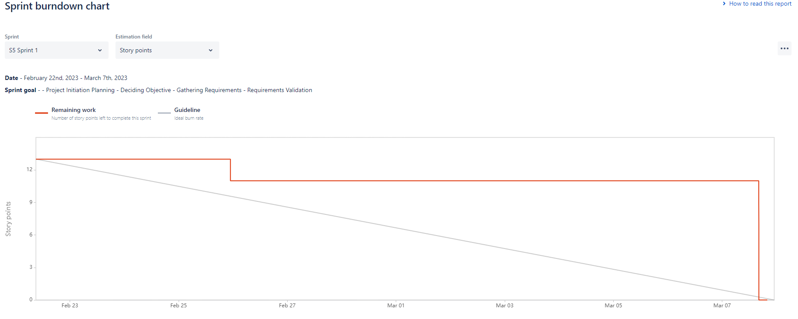
2023-04-11 | 6 | 6 | 931 | 890 | 8.4

2022-02-23 | 30
2023-03-07 | 19
2023-03-28 | 12
2023-04-11 | 6

Sprint2
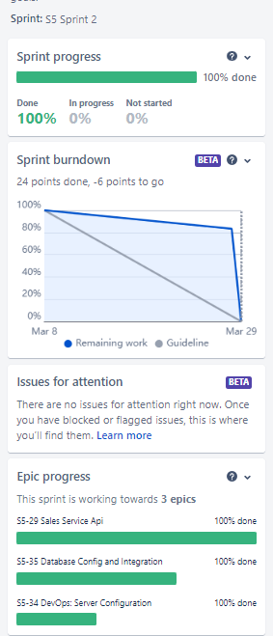
Story ID | Story Name | Owner | Status | Est Size | Est Time | Act Size | Act Time | Completed
EPIC-3 | Sales Service API
S5-63 | Sales: Onboarding Customer Page -2 | vv | Done | 100 | 16 | 127 | 16
S5-70 | Create HTML design | vv | Done
S5-71 | Update SCSS File | vv | Done
S5-73 | Adding Validation for all fields in homepage | vv | Done
S5-72 | Dev Testing Homepage | vv | Done
S5-64 | Sales: Agreement View Page | mm | Done | 100 | 16 | 153 | 18
S5-74 | Create agreement view page | mm | Done
S5-75 | Add Validations to Agreement View Page | mm | Done
S5-76 | Dev Test Agreement View Page | mm | Done
S5-29 | Sales: Customer onboarding API | pc | Done | 150 | 16 | 176 | 20
S5-89 | Customer Onboarding API Creation | pc | Done
S5-90 | Dev Test Customer Onboarding API | pc | Done
S5-69 | Sales: Agreement view API | vs | Done | 150 | 16 | 166 | 10
S5-91 | Create Sales Agreement View API | vs | Done
S5-92 | Dev Test Sales Agreement View API | vs | Done
EPIC-4 | Database Config and Integration |  | Done
S5-38 | Create Database design | pc | Done | 100 | 16 | 106 | 10
S5-49 | Create a database architecture and entity diagram | pc | Done
S5-39 | Create Database Schema and tables | pc | Done | 40 | 16 | 55 | 5
S5-47 | Create multiple database schemas to organize your database objects based on their functionality, security requirements, or user access. | pc | Done
S5-48 | Assign appropriate permissions to the database users to access the required schemas. | pc | Done
EPIC-4 | DevOps Server Configuration |  | Done
S5-77 | Configure Jenkins/AWS CI/CD | pc | Done | 100 | 24 | 24 | 10
S5-80 | Configure Jenkins in EC2 instance | pc | Done
S5-81 | Configure Automated Build and store artifact in git repo | pc | Done
S5-82 | Configure automated deploy in Jenkins | pc | Done
S5-83 | Monitoring: Enroll team members to receive build and deploy notification | pc | Done
S5-93 | Integration Test Service APIS | pc | Done
 |  |  |  | 740 | 120 | 807 | 89

 | Review Results

 | Sprint Progress | 100% | Complete
 | Done | 100%
 | In Progress | 0%
 | To Do | 0%

 | Standup Review (03/07):
 | · Demonstrated the service API working and Customer Onboarding UI
 | · Discussed the functionality covered for both API and UI.

 | Do's
 | · Need to clear UI design before development starts.
 | · Commit after every change rather than commiting all at once especially towards end of sprint
 | · Team needs to increase development pace.
 | · Work on better communication between UI and Backend Developers since there were availability issue.
 | · Team member need to provide at least 4hours time for any communication replies and team member need to reply not more than 4 hours.

 | Don't
 | · Need to clear UI design before development starts.
 | · Be prepared for demos and check issues before demo.

 | Standup 1 (03/10):
 | · Completion of Database Stories.
 | · Few attributes for agreement view page related doubt cleared.
 | · Commencement Sales Agreement View UI and API Development
 | · Discussion on CI/CD tool to be used. Decided to go with AWS Codepipeline

 | Standup 2 (03/21):
 | · Cloud AWS CodePipeline configuration complete in AWS
 | · Clarified on UI Design for Sales Onboarding page and as Team discussed few changes required.

